Cover


Filler Trials
Filler Pairs : Critical Pairs
Critical Trials | 20
A | 20
B | 20
C | 20
 | List Design |  |  |  |  |  |  |  |  |  |  | Attending to the Female talker |  |  |  | Attending to the Male talker
 |  |  |  |  |  |  | Critical Trials | 20 |  |  |  | Critical Item Combination #1 |  |  |  | Critical Item Combination #2 |  |  |  | 50% of the Attended talkers audios are Words
 |  | 20 Critical Word Pairs |  |  |  |  | A | 20
 |  |  |  |  |  |  | B | 20
 | A | 20 Unique Filler Word/Nonword Pairs |  |  |  |  | C | 20 |  |  |  | Attend: Female, Left |  | Attend: Female, Left |  | Attend: Male, Left |  | Attend: Male, Left
 |  |  |  |  |  |  |  |  |  |  |  |  |  |  |  |  |  |  |  | 50% of the Attended Talker's audios are Nonwords
 | B | 20 Unique Filler Word/Nonword Pairs |  |  |  |  |  |  |  |  |  | Female ?s | Male ?sh | Female ?sh | Male ?s | Male ?s | Female ?sh | Male ?sh | Female ?s

 | C | 20 Unique Filler Word/Nonword Pairs |  |  |  |  |  |  |  |  |  | M. Nonword | F. Word | M. Nonword | F. Word | F. Nonword | M. Word | F. Nonword | M. Word
 |  |  |  |  |  |  |  |  |  |  |  | A3 |  | A3 |  | A4 |  | A4 |  | 50% of the Attended Talker's audios heard in the Left Ear
 | Total Word Pairs: 80 |  |  |  |  |  |  |  |  |  |  | F. Nonword | M.Word | F. Nonword | M.Word | M. Nonword | F. Word | M. Nonword | F. Word
 |  |  |  |  |  |  |  |  |  |  |  | B4 |  | B4 |  | B3 |  | B3
 | A |  |  |  |  |  | B |  |  |  |  | M.Word | F. Nonword | M.Word | F. Nonword | F. Word | M. Nonword | F. Word | M. Nonword
 |  |  |  |  |  |  |  |  |  |  |  | C1 |  | C1 |  | C2 |  | C2 |  | 50% of the Attended Talker's audios are heard in the Right Ear
1 | Male | Female | 3 | Male | Female | 1 | Male | Female | 3 | Male | Female
 | Word | Nonword |  | Nonword | Word |  | Word | Nonword |  | Nonword | Word | Attend: Female, Right |  | Attend: Female, Right |  | Attend:Male, Right |  | Attend: Male, Right

2 | Female | Male | 4 | Female | Male | 2 | Female | Male | 4 | Female | Male | Male ?s | Female ?sh | Male ?sh | Female ?s | Female ?s | Male ?sh | Female ?sh | Male ?s | 50% of the Attended Talker's audios in the Left Ear are Words and 50% are Nonwords
 | Word | Nonword |  | Nonword | Word |  | Word | Nonword |  | Nonword | Word
 |  |  |  |  |  |  |  |  |  |  |  | F. Word | M. Word | F. Word | M. Word | M. Word | F. Nonword | M. Word | F. Nonword
 |  |  |  |  |  |  |  |  |  |  |  | A2 |  | A2 |  | A1 |  | A1
 | C |  |  |  |  |  | Created 4 configurations of each set: counterbalance whether the Male or Female voice is speaking aWord or a Nonword, and if the voice is heard in the Left or Right ear*. |  |  |  |  | M. Word | F. Nonword | M. Word | F. Nonword | F.Word | M. Nonword | F.Word | M. Nonword | 50% of the Attended Talker's audios in the Right Ear are Words and 50% are Nonwords
 |  |  |  |  |  |  |  |  |  |  |  | B1 |  | B1 |  | B2 |  | B2
1 | Male | Female | 3 | Male | Female |  |  |  |  |  |  | F. Nonword | M. Word | F. Nonword | M. Word | M. Nonword | F. Word | M. Nonword | F. Word
 | Word | Nonword |  | Nonword | Word |  |  |  |  |  |  | C4 |  | C4 |  | C3 |  | C3

2 | Female | Male | 4 | Female | Male |  |  |  |  |  |  | Critical Item Combination #3 |  |  |  | Critical Item Combination #4
 | Word | Nonword |  | Nonword | Word |  | *Ear noted by position on the left or right side

 |  | Gender | Word | Ear |  |  | Ear | Word
 | Version 1 | Female | Nonword | Left |  | Set A | Opposite | Nonword
 |  | Male | Word | Right
 |  |  |  |  |  | Set B | Same | Nonword
 | Version 2 | Female | Word | Left
 |  | Male | Nonword | Right |  | Set C | Same | Word

 | Version 3 | Female | Word | Right |  | ^^ Compared to the ear and gender of the attended talker
 |  | Male | Nonword | Left

 | Version 4 | Female | Nonword | Right
 |  | Male | Word | Left

Test Phase
Test Phase
Block 1 | Block 2 | Block 3 | Block 4 | Block 5 | Block 6 | Block 7 | Block 8 | Block 9 | Block 10 | Block 11 | Block 12 | Predicted results if adaptation is not automatic: | 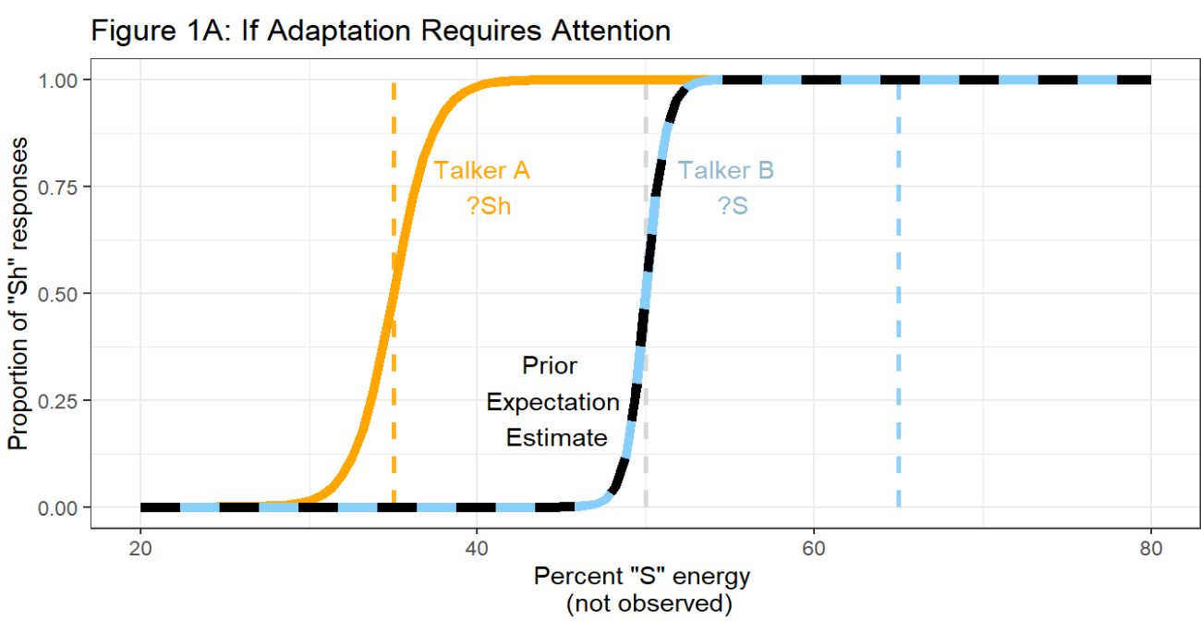

Talker B |  | Talker A |  | Talker B |  | Talker A |  | Talker B |  | Talker A
 |  |  |  |  |  |  |  |  |  |  |  | Adaptation is found only for the attended talker.
Each block has a total of 6 trials. Each item on the test coninuum (asi-ashi) wiil play once in a randomized order before moving to the next block. The test continuum will be produced by both talkers 6 times each. Each talker will produce two blocks in a row before switching to the next to minimize additional strain on cognitive resources that may occur due to swapping between the two talkers. The talkers will alternate every two blocks. Which talker (male/female) speaks first will be counterbalanced within the experiment; 2 possible lists for test trials!!

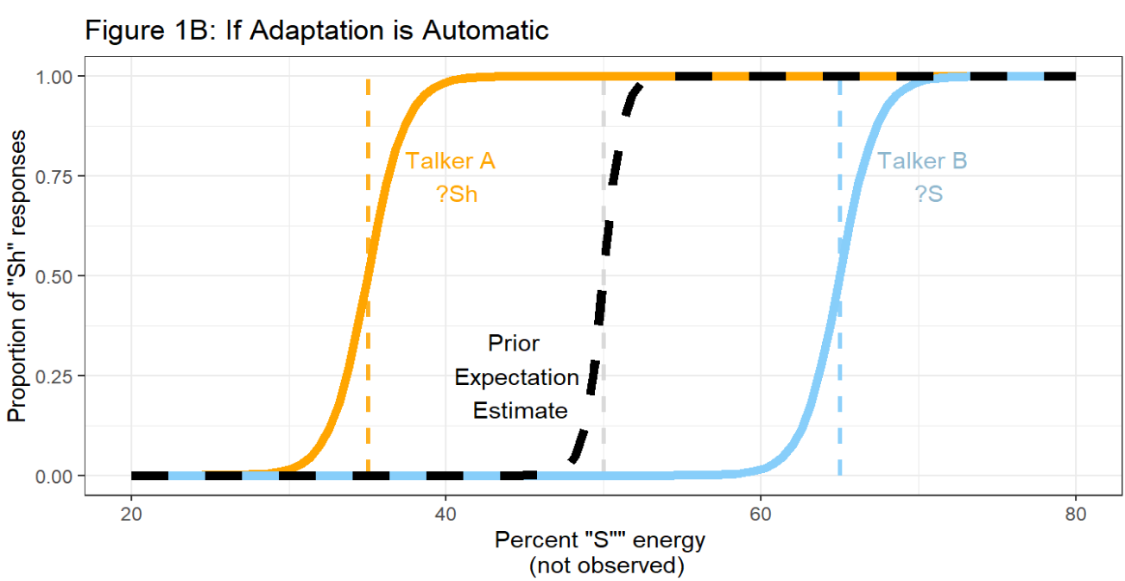
Test Items
1 | ashi.25
2 | ashi.30 |  |  |  |  |  |  |  |  |  |  | Predicted results if adaptation is automatic:
3 | ashi.40
4 | ashi.45
5 | ashi.50 |  |  |  |  |  |  |  |  |  |  | Adaptation is found for both talkers
6 | ashi.70

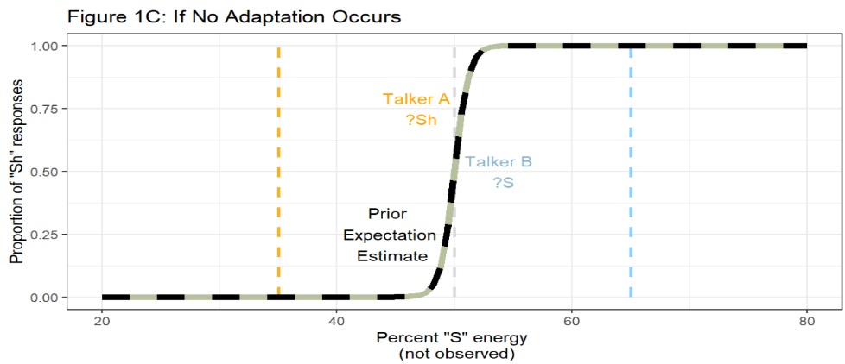
 |  |  |  |  |  |  |  |  |  |  |  | Predicted results if there is no adaptation to either talker:

 |  |  |  |  |  |  |  |  |  |  |  | Simultaneous exposure to two talkers could disrupt the necessary attention to adapt to either talker

